Cover Sheet
Assessment Data Spreadsheet
Exam: 2022-2025 Global II Regents Exams

This spreadsheet is a sortable version of the information found in the teacher materials for this exam.
Make a copy to see hover text.
Click here for the Exam Materials

Key:
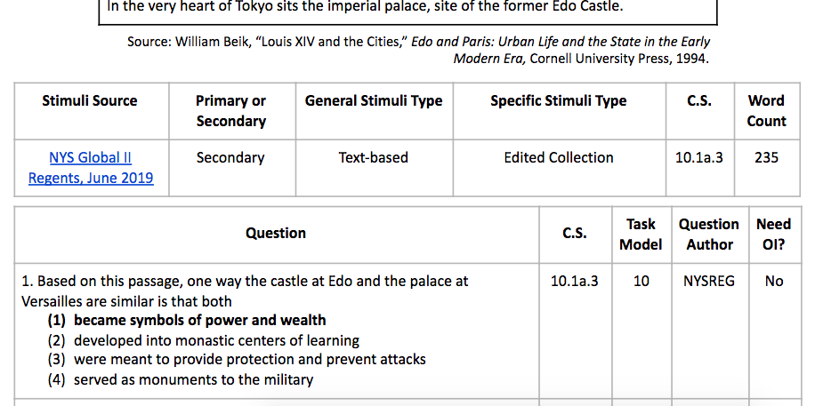

Source | Primary or Secondary
We identify the source of the stimuli and link to it when possible so educators can review the original document and feed confident in its sourcing. | Though an often debated classification, we have tried to categorize documents into primary or secondary texts. Any texts that might be considered tertiary are classified as secondary.
General and Specific Stimuli Types | Framework Unit/Content Specification
To organize stimuli on our exams, we use the following categories: Text-based (i.e.- diary, memoir, letter, monograph, speech, literature, newspaper article) Data-based (i.e.- graph, chart, diagram) Map-based (i.e.- political map, physical map, thematic map) Visual-based (i.e.- political cartoon, photograph, illustration) | The Content Specifications identified in these teacher materials come from the NYS Grades 9-12 Social Studies Framework. In the excerpt of the framework to the right, 11.1 is the Big Idea, 11.1a is the Conceptual Understanding, and the bulleted line below that is the Content Specification. All of our questions are aligned to a content specification.
Task Model | Need OI?
The task models referenced refer to those used to create NYS Social Studies Regents Exam which can be accessed through the link located in the above "Task Model" heading. | This column identifies if outside information is needed to answer the question (yes) or if students can answer the question based solely on the stimuli (no).

Visualization All Exams (2022-2
General Stimuli Type
Framework Unit

Primary or Secondary

Needs Outside Information

Primary or Secondary | 2025-06-01 | 2025-01-01 | 2024-08-01 | 2024-06-01 | 2024-01-01 | 2023-08-01 | 2023-06-01 | 2023-01-01 | 2022-08-01 | 2022-06-01
Primary | 20 | 19 | 18 | 28 | 28 | 19 | 16 | 17 | 16 | 25
Secondary | 17 | 18 | 19 | 9 | 8 | 15 | 21 | 19 | 21 | 12
Both | 0 | 0 | 0 | 0 | 1 | 3 | 0 | 1 | 0 | 0

General Stimuli Type | 2025-06-01 | 2025-01-01 | 2024-08-01 | 2024-06-01 | 2024-01-01 | 2023-08-01 | 2023-06-01 | 2023-01-01 | 2022-08-01 | 2022-06-01 | Color Code
Text-based | 27 | 22 | 26 | 27 | 21 | 27 | 23 | 27 | 24 | 26 | Blue: Most common
Visual-based | 5 | 13 | 10 | 7 | 11 | 5 | 10 | 4 | 8 | 3 | Green: 2nd most common
Data-based | 0 | 0 | 1 | 0 | 0 | 2 | 1 | 0 | 2 | 1 | Yellow: 3rd most common
Map-based | 5 | 2 | 0 | 2 | 4 | 0 | 3 | 5 | 3 | 5 | Orange: Less than 3rd
Multiple | 0 | 0 | 0 | 1 | 1 | 3 | 0 | 1 | 0 | 2 | Red: Unused

Framework Unit | 2025-06-01 | 2025-01-01 | 2024-08-01 | 2024-06-01 | 2024-01-01 | 2023-08-01 | 2023-06-01 | 2023-01-01 | 2022-08-01 | 2022-06-01
10.01 | 2 | 4 | 2 | 0 | 2 | 1 | 1 | 2 | 0 | 3
10.02 | 4 | 4 | 6 | 4 | 7 | 2 | 6 | 5 | 4 | 3
10.03 | 4 | 2 | 5 | 7 | 2 | 3 | 7 | 4 | 2 | 5
10.04 | 4 | 5 | 2 | 0 | 2 | 2 | 2 | 2 | 8 | 2
10.05 | 8 | 6 | 5 | 6 | 4 | 6 | 3 | 3 | 3 | 4
10.06 | 4 | 4 | 3 | 3 | 3 | 4 | 1 | 4 | 4 | 4
10.07 | 4 | 4 | 2 | 4 | 8 | 5 | 6 | 7 | 3 | 4
10.08 | 2 | 2 | 4 | 3 | 0 | 4 | 2 | 2 | 5 | 4
10.09 | 3 | 3 | 6 | 6 | 3 | 6 | 6 | 4 | 3 | 6
10.10 | 2 | 3 | 2 | 4 | 6 | 4 | 3 | 4 | 5 | 2

Task Model | 2025-06-01 | 2025-01-01 | 2024-08-01 | 2024-06-01 | 2024-01-01 | 2023-08-01 | 2023-06-01 | 2023-01-01 | 2022-08-01 | 2022-06-01
1 | 7 | 3 | 3 | 4 | 6 | 4 | 4 | 4 | 1 | 1
2 | 5 | 4 | 2 | 2 | 8 | 4 | 4 | 2 | 5 | 3
3 | 1 | 0 | 1 | 2 | 1 | 1 | 0 | 1 | 1 | 0
4 | 4 | 8 | 4 | 7 | 4 | 5 | 1 | 2 | 2 | 3
5 | 0 | 2 | 1 | 0 | 0 | 2 | 0 | 0 | 3 | 2
6 | 0 | 1 | 1 | 0 | 0 | 2 | 3 | 2 | 2 | 1
7 | 4 | 6 | 7 | 6 | 3 | 6 | 4 | 7 | 6 | 4
8 | 2 | 4 | 5 | 3 | 1 | 1 | 3 | 5 | 4 | 4
9 | 1 | 4 | 1 | 1 | 0 | 2 | 1 | 1 | 1 | 1
10 | 2 | 1 | 0 | 1 | 0 | 1 | 2 | 2 | 2 | 2
11 | 0 | 0 | 0 | 0 | 0 | 1 | 2 | 1 | 0 | 1
12 | 0 | 0 | 0 | 0 | 1 | 1 | 1 | 1 | 2 | 1
13 | 3 | 1 | 1 | 2 | 2 | 2 | 2 | 2 | 2 | 2
14 | 1 | 0 | 1 | 3 | 2 | 1 | 2 | 1 | 1 | 0
15 | 0 | 0 | 2 | 0 | 0 | 0 | 2 | 2 | 1 | 3
16 | 0 | 0 | 0 | 0 | 2 | 0 | 1 | 0 | 1 | 1
17 | 1 | 0 | 2 | 1 | 1 | 1 | 0 | 1 | 0 | 1
18 | 1 | 0 | 1 | 0 | 1 | 0 | 0 | 0 | 0 | 4

Needs Outside Information | 2025-06-01 | 2025-01-01 | 2024-08-01 | 2024-06-01 | 2024-01-01 | 2023-08-01 | 2023-06-01 | 2023-01-01 | 2022-08-01 | 2022-06-01
Yes | 16 | 24 | 18 | 27 | 18 | 23 | 24 | 28 | 24 | 26
No | 16 | 11 | 14 | 9 | 18 | 13 | 12 | 7 | 12 | 10

